5.30
Case Contact Name | Location | CaseNumber | Member | Description | Resolution Notes | 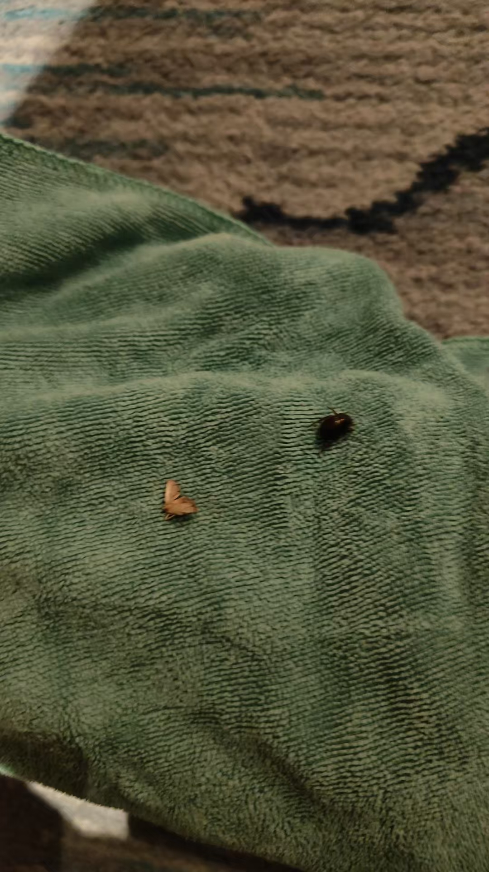
姓名：高金金 日期：2025.5.30-2025.5.31 渠道：携程 | 531 | 694363520 | NIL | 5月30日23：05，531客人致电反馈房间地上和天花板上都有虫子。 On May 30th at 23:05, guest 531 called to report that there were bugs on the floor and ceiling in the room. | AYS向客人致歉，因为客人告知小朋友要睡觉。AYS表示是否方便GSM明日致电客人致歉和沟通。客人拒绝表示明日退房就走。据调查531房间为IP CI, 明日GSM会尝试再次联系客人避免差评。 AYS apologized to the guest because the guest informed that the child needed to sleep. AYS asked if it would be convenient for GSM to call the guest tomorrow to apologize and communicate. The guest declined, stating that they would check out and leave tomorrow. According to the investigation, Room 531 was an IP CI, and tomorrow GSM will attempt to contact the guest again to avoid a negative review.

